2. Validator's Checklist
 |  |  |  |  | devtools::dev_sitrep() TO CHECK WHETHER SYSTEM IS UP TO DATE
 |  |  |  |  | devtools::check(document = FALSE)
VALIDATOR ASSESSMENT:
 |  |  |  | Instructions |  |  |  |  | Ref 1 | Ref 2
Sections |  | Mark If Checked |  | Basic development flow (1)Github properly set-up with issues and notation, 2) Rproject and package files structure, 3) use of devtools and roxygen for documentation) |  |  |  |  | R Packages (2e) - 4 Fundamental development workflows (r-pkgs.org)
Basic Set-up (Git, Project, folders) |  |  |  | testhat package to provide relevant unit tests |  |  |  |  | R Packages (2e) - 13 Testing basics (r-pkgs.org)
User Facing Functions |  |  |  | Extreme/odd/wrong values, data types (e.g., matrices, lists, logicals…) as inputs as well as output shaping (using the output processing functions)
Backend Functions |  |  |  | Potential confusions/lack of clarity in functions, instructions, commenting of code, use cases
Documentation |  |  |  | devtools::check(), notes, warnings and errors, make sure to note them and comment on those |  |  |  |  | R Packages (2e) - 4 Fundamental development workflows (r-pkgs.org)
 |  |  |  | Notation should follow tidyverse and Dutch HTA guidelines and recommendation |  |  |  |  | Welcome | The tidyverse style guide | RDICE/other docs/ZIN Dutch HTA guidelines for R.pdf at main
 |  |  |  | Comment on issues in Github site when available
 |  |  |  | (Only at final stage, public access in Github): website has been built with accurate documentation of user-facing functions, navigation is correct and complete, showcase of examples |  |  |  |  | pkgdown.r-lib.org/reference/build_site.html

LIST:
Validation round 1 |  |  |  |  |  |  |  |  |  | Validation round 2
TO BE POPULATED BY VALIDATOR |  |  |  |  |  |  |  | TO BE POPULATED BY PROGRAMMING TEAM |  | TO BE POPULATED BY VALIDATOR |  | TO BE POPULATED BY PROGRAMMING TEAM
# | Folder/Script (or Systematic) | Function/Line | Error/Question/Comment | Category | Description | Importance | Action Proposed | Action taken | Rationale (mandatory) | Review of change | Description | Action taken | Rationale (mandatory)
1 |  |  |  |  | Updates necessary to the DESCRIPTION File? |  |  | Yes |  | OK
2 | README.md | 27 | Comment |  | Repeating 'Sick-Sicker-Dead model' before the word in brackets and hyperlinks makes it show up twice, once as a string, then as a clickable link with the same label. 'Early-breast cancer' is setup to only show it as a clickable link |  | Remove 'Sick-Sicker-Dead model' string duplicate, the one outside the square brackets | Yes |  | OK
3 | README.md |  | Error |  | All mentions of the package should not preceded by 'Roche', but rather the updated pathway, mentions of Roche should probably be removed |  |  | Yes |  | OK
4 | Running devtools::check |  | Error |  | Check returned 2 errors, screencapture on the right |  |  | Yes |  | OK
5 | .Rbuildignore |  | Question |  | On my machine, since we use .git for the time being, the line ^\.github$ won't do anything, without removing perhaps we just need to add ^\.git$ so it also skips if set up using git |  |  | No | Noted, it's more of a set-up for the future when the website is online | OK
6 |  |  |  |  | pkgdown::build_site() NEEDS TO BE RERUN |  |  | Yes | Rerun | OK
11 | run_sim_parallel.R | 246 | Question |  | Why is this called ' rm(list=ls(name=foreach:::.foreachGlobals), pos=foreach:::.foreachGlobals) ' |  | Ideally, we wouldn't refer to unexported function names, this is actually prohibited in packages that reside on CRAN (See https://bookdown.org/rdpeng/RProgDA/r-packages.html) | Yes | Fixed | OK
13 |  |  |  |  | flexsurvPlus seems to be from the ROCHE Github account |  |  | Yes | Fixed, removed | OK | It was left in the suggested packages, though I imagine that's alright | Yes | Removed from suggested
14 | R/calculator_f.R vignettes/example_eBC.Rmd vignettes/example_ssdRmd vignettes/example_uncertainty.Rmd | draw_tte | Error |  | Since commit #36fd064, the function takes in beta_tx instead of HR, while the functions calls in the vignette still refers to hr=1.2 Furthermore, the ellipses argument is not used in the function |  |  | Yes | Renamed after speaking with Jack | OK
15 | R/calculator_f.R | draw_tte | Other |  | Perhaps reordering the if checks might make it a little faster. Putting the most commonly used distributions first would limit the number of conditions that need to be checked most of the time. |  |  | Yes | Use switch now | OK
16 | R/input_f.R | add_tte |  |  | "arm in arm" could cause issues couldn't it? |  |  | Yes | Fixed | OK
18 | vignettes/example_ipd.Rmd |  | Comment |  | Empty chart created together with correct plot. This is a know issue since 2019 at least Printing to PowerPoint or Word is more complex in those circumstances, but using the officer and rvg packages, one can use this approach from 'https://stackoverflow.com/questions/65869223/does-officer-package-accept-ggsurvplot-object' a <- ggsurvplot(km.comb,combine = TRUE, title="Progression-free Survival", palette=c("coral","turquoise","turquoise3","coral3"), legend.labs=c("Observed - Ref","Observed - Int","Predicted - Int","Predicted - Ref"), linetype = c(2,2,1,1), xlim=c(0,5), break.time.by = 1, censor = FALSE) my_vec_graph <- rvg::dml(code = print(a, newpage = FALSE)) doc <- read_pptx() doc <- add_slide(doc, layout = "Title and Content", master = "Office Theme") doc <- ph_with(doc, my_vec_graph, location = ph_location_fullsize() ) print(doc, target = "C:/Users/lemyreg/Documents/EVA-38551 COPD/survi2.pptx") |  |  | Yes | This is a vignette issue, which is not really mandatory, just providing examples. The vignette is intended to be used as html as part of the website | OK
19 | vignettes/example_ipd.Rmd |  | Error |  | Defining other utility categories leads to an error as one of the categories for export is returned as ongoing and the other as ongoing_undiscounted. This leads to an error because the second category only ongoing and not undisc is missing. Similar thing happens with the costs because of the identical structure of the code. See screenshots below for reproduction |  |  | Yes | Whole approach to utilities has been redone | OK
21 | Warning messages |  | Comment |  | Perhaps adding a line break at the end of each call's string would make it easier to read as it would be alone on it's own line |  |  | No | Could be added in the future, but not really relevant for now | OK
23 | vignettes/articles/example_uncertainty.Rmd |  | Error |  | Running into issues in the RDICE/R/run_sim_parallel.R code, saying it can't find the RDICE package. I believe it is either due to the call for .options.future (screenshot #1 below, or where RDICE:::run_engine is called. Error I get is in screenshot #2 |  |  | No | Issue caused by devtools::load_all() function not working very well when using parallel functions. Devtools::install() must be used before using parallel engine based functions | OK
25 | vignettes/articles/example_uncertainty.Rmd |  | Comment |  | The text on row 365 is misaligned with current sample sizes (screenshot #3) |  |  | Yes | Fixed | Question | I can't see what was fixed, but the issue in the screenshot #3 is still present | Yes | Text aligned
26 | vignettes/articles/example_uncertainty.Rmd |  | Error |  | Because the draw_gamma has as a 1st argument 'n', the call to the function must be amended on row 86 to specify which parameters are being passed, otherwise we get the error that thr se argument is missing, see screenshot 4 |  |  | Yes | Fixed | Error | It seems it was changed to the rgamma_mse function, but the 'draw_gamma' name is still present in some vignettes (eBC and Markov) in their R and html forms. They are part of the gitignore, so is likely normal, just thought it worth mentioning. Same thing for gompertz, and perhaps other distributions as well | No | These will be overwritten when the package website is re-run, so no action needed
28 | input_f.R/pick_val_v |  | Comment |  | It is not possible with the current implementation to set an indicator to 0 for a value in the PSA when it is in the form {set.seed(1);c(rnorm(1,0,0.1),rnorm(1,0,0.1))}, I've added a test to the test-input.R code, and pushed to git so you can see what I mean. (Screenshot 5) This might not be the right way to test the output, but it is clear that the indicator is not working expect_equal( pick_val_v( base = c(0,0), psa ={set.seed(1);c(rnorm(1,0,0.1),rnorm(1,0,0.1))}, sens = c(2,3), psa_ind = TRUE, sens_ind = FALSE, indicator=c(0,1) ), {set.seed(1);list(0,rnorm(1,0,0.1))} ) |  |  | Yes | The intended use of the indicator is not really that, it has been calrified within the function documentation | OK
29 | RDICE/vignettes/articles/example_uncertainty.Rmd |  | Error |  | After clearing workspace and restarting R Then devtools::install() to load the package Then after running parallel engines, get an error saying that rresgompetrz can't be found. (Screenshot #6) |  |  | No | When using devtools, sometimes unexpected issues may emerge due to the parallel engine taking several instances of R, which may not loaded appropiately. The function is properly defined within the package and further re-runs following instructions do not produce any errors, so this is considered fixed in the most up to date version.
Validation of November 2024 - Round 1
30 | run_sim_parallel.R |  | Comment |  | Issue with 'RDICE:::run_engine' - Using the ::: operator is prohibited in packages that reside on CRAN (See https://bookdown.org/rdpeng/RProgDA/r-packages.html) |  |  | Yes | Unfortunately, this is unavoidable with the current set up due to the use of the parallel package. I think I had read that as a general rule it's correct that it's not good practice, but there are some exceptions, but I cannot find that reference. I'll make run_engine an exported function, the parallel loop should be able to grab it. | OK
31 | calculator_f.R | conditional_dirichlet | Question |  | It seems like 'conditional_dirichlet' is simply a normalizing function isn't it? |  |  | No | Correct, it's just more convenient to be used within pick_val_v | OK
32 | calculator_f.R | rdirichlet | Question |  | Why is 'stop2' used only in 'rdirichlet'? This was modified in 'rdirichlet_prob', but not in 'rdirichlet' |  |  | Yes | Should be applied throughout, will modify that | OK
33 | run_sim.R |  | Comment |  | Getting this error when trying to run the engine: "Error in run_sim(npats = 2000, n_sim = 1, psa_bool = FALSE, arm_list = c("int", : Name(s) or object `i` defined belong to the list of forbidden names, which can cause issues in the model. Please remove or rename those names. See run_sim or run_sim_parallel for a full list of these names." This is due to a local variable defined within the console itself and just set a value of 2. I had set this varible up simply to test conditional_mvn. Since restarting the R sessions doesn't seem to delete those names, and the user could have simply forgotten that they had declared suc ha name, perhaps the warning should be more specific and possibly indicate where that name was found so the user knows where to look? Especially if it si found in 'ls(parent.frame())' only then perhaps just flag that to the user. |  |  | Yes | You're correct that sometimes it's a bit surprising. In fact, a proposed solution could be to set the internal objects adding a dot before them, so i would be .i, simulation would be .simulation, etc. This should avoid confusions from the user side? Or as you say, we can just list it was found in the parent environment. I'll add a bit more clarity on the comment, but let me know your thoughts. | OK | I think having it flagged and explained is sufficient. There is a limit to how much we can prevent this kind of things, nothing stops the user from having a similar idea and adding a dot in front of their variables, only moving the problem.
34 | Progress bar |  | Comment |  | In debug model, even after the progress bar completes, the execution seems to keep going, possibly to export the debug files. This might be overkill to add a progress bar for export though, but though I'd mention it. |  |  | Yes | Moved the progress bar a bit lower, though it would still show 100% because there is no "progress" made there (progress is triggered by the patients being processed by the engine, not by the next computations) | OK
36 | calculator_f.R | conditional_qweibull | Error |  | To align with TTEFit, the 'conditional_qweibull' function should not subtract the lower_bound and should simply divide by the scale, without multiplying by the shape. (lower_bound^shape - log(1-rnd)/scale)^(1/shape) Instead of (lower_bound^shape - log(1-rnd)*scale^shape)^(1/shape) - lower_bound Not subtracting the bound applies to other functions of the same type as well |  |  | No | This was a concious decision to not align with TTEFit but rather with R implementation of a weibull, in fact the luck is applied in an R sense vs DICE sense (1-rnd). So if you could check it aligns with the R approach, it would be useful. I do not remove the lower_bound because I want it to return the time extra it would give you, because in R the implementation would be like tte = curtime + conditional_weibull(...), so I want it to return the remaining time form lower_bound, not the time from 0. Let me know if you disagree. |  | Seems like the version in R DES much more quickly yields infinity, but then returns 1 when parameters are infinite. This is detailed in the <Distr. Analysis> sheet and also discussed in comment #45
37 | calculator_f.R |  | Comment |  | The naming convention seems unclear with the newly added conditional distribution quantiles and the previous implementations of for example the Gompertz distribution. Now it seems distr. Names are preceded by 'Consitional', whereas before it seems they were prefixed with restricted (or 'res'). I'm under the impression those restricted distributions are just like conditional distributions, but maybe I'm misunderstanding something. |  |  | Yes | You are right that the restricted is just a conditional. The reason for this is that in the past I had only the restricted gompertz, and I did not want to break the codes, but it's a good point, I'll change restricted for conditional. I'll also rename throughout to qcond_distribution to keep consistency. | OK
38 | calculator_f.R |  | Question |  | If the quantile functions are available in native R, why not use them as is presented in the TTEFit documentation? (e.g., qllogis with the updated parameters like the website suggests?) |  |  | No | I did not do this because then I would also need to do an extra step and derive s_obs (so it's an extra step), I just did some tests with exponential and weibull and the current implementation runs 4-5 times faster, I have also added a check to make sure rnd is between 0 and 1. | OK
39 | engine_helper_f.R | get_next_evt | Comment |  | If the new method in 'get_next_evt' is 4x slower, perhaps an explanation of why it is so important would be helpful to those looking at it with no context later on. |  |  | Yes | Added (it's because otherwise there is no way to solve ties, I guess we could do a C++ implementation but probably does not have that much impact in running time unless it's a very simple simulation) | OK
40 | engine_helper_f.R | expand_event | Error |  | This description is not aligned, and is from another method: "Helper function to export debug log to a txt file" |  |  | Yes | This function has been removed as it's just faster to use expand_evts_fwd and bwd since they are vectorized and it was not being used anywhere | OK
41 | engine_helper_f.R | expand_event | Question |  | Is there no example use of 'expand_event'? |  |  | Yes | This function has been removed as it's just faster to use expand_evts_fwd and bwd since they are vectorized and it was not being used anywhere | OK
42 | engine_helper_f.R | export_log |  |  | Description seems to be missing "@param main_byline description" |  |  | Yes | Added description "TRUE if the main line (analysis, simulation, patient...) should be split in different lines or FALSE if pasted as a single line" | OK
Validation of November 2024 - Round 2

43 |  | Loading tidyverse in my R session yielded an error message | Other |  | Not sure what's going on, when I add the tidyverse library to the session I get this message in screenshot #7 on the right. Perhaps some kind of conflict, I've never seen this type of message before
44 |  | Conditional distributions | Comment |  | Perhaps including a default value for the lower bound would make them more generalized so they can run the inconditional distribution as well.
45 |  | Couple of distributions are not aligned with R's distribution results for quantiles |  |  | Suggestions and analyses are presented in the Distr Analysis sheet. The following 2 distributions should be modified to align with R's results when lower bound is fixed at 0, suggestions at top of sections: qcond_llogis qcond_weibull
46 |  | engine_helper_f.R | Comment | expand_evts_bwd | I think the first two modifications of 'is_last_expansion' are overwritten by the last line, maming the firt two obsolete. The implementation of the forward method only has the equivalent of the last line # Create a vector indicating which rows are the last in their expanded series is_last_expansion <- rep(FALSE,nrow(expanded_data)) is_last_expansion[cumsum(num_expanded_rows)] <- TRUE is_last_expansion <- sequence(num_expanded_rows) == num_expanded_rows
47 |  | run_sim.R run_sim_parallel.R (similarly) | Question |  | What is the point of 'set.seed(100037)' on line 286 or 'set.seed(simulation*1007)' on line 340?
48 |  | example_ssd_stream.Rmd |  |  | Line 159 has one too many "more" in it it seems
49 |  | FAQ |  |  | RDICE version number might need to be updated, or the FAQ updated, since current version is 0.96
50
51
52
53
54
55
56
57
58
59

Distr Analysis
 |  |  |  |  |  |  |  | * Note that in this case the differences are not relative
qcond_llogis |  |  |  |  |  |  |  | qcond_weibull |  |  |  |  |  |  |  | qcond_gompertz
 | qcond_llogis2 <- function(rnd = 0.5, shape, scale, lower_bound) { if(rnd <0 | rnd > 1){ stop("rnd is <0 or >1") } scale * ((1/(1-rnd))*(rnd + (lower_bound/scale)^shape))^(1/shape) - lower_bound } |  |  |  |  |  |  |  | qcond_weibull2 <- function(rnd = 0.5, shape, scale, lower_bound) { if(rnd <0 | rnd > 1){ stop("rnd is <0 or >1") } ((lower_bound/scale)^shape - log(1-rnd))^(1/shape)*scale - lower_bound }
 | Lower Bound | Parameters | .RDES2 | .RDES | Relative diff v RDES | Native R | Relative diff v Native R |  | Lower Bound | Parameters | .RDES2 | .RDES | Relative diff v RDES | Native R | Relative diff v Native R |  | LowerBound | Parameters | .RDES | .Rv | diffvR
[1,] | 0 | 0 | NaN | Inf | NaN | NaN | NaN | [1,] | 0 | 0 | NaN | Inf | NA | NA | NA |  | 0 | 1.00E-05 | 8.70E+04 | 8.70E+04 | 0.00E+00
[2,] | 0 | 0.001 | Inf | Inf | NaN | Inf | NaN | [2,] | 0 | 0.001 | 7.17E+138 | 7.17E+138 | 6.88E-14 | 7.17E+138 | -1.73E-14 |  | 0 | 1.00E-04 | 8697.4168619 | 8697.4168619 | 0
[3,] | 0 | 1 | 3 | 3 | 0 | 3 | 1.4802973662E-16 | [3,] | 0 | 1 | 1.3862943611 | 1.3862943611 | 0 | 1.3862943611 | 0 |  | 0 | 0.001 | 869.74168619 | 869.74168619 | -1.31E-16
[4,] | 0 | 2 | 3.4641016151 | 3.4641016151 | 0.00E+00 | 3.4641016151 | 1.28E-16 | [4,] | 0 | 2 | 2.354820045 | 2.354820045 | 0.00E+00 | 2.354820045 | 0.00E+00 |  | 0 | 1.00E-02 | 86.974168619 | 86.974168619 | 0.00E+00
[5,] | 0 | 10 | 11.16123174 | 11.16123174 | 1.59E-16 | 11.16123174 | 1.59E-16 | [5,] | 0 | 10 | 10.332027315 | 10.332027315 | 1.72E-16 | 10.332027315 | 0.00E+00 |  | 0 | 1.00E-01 | 8.6974168619 | 8.6974168619 | -2.04E-16
[6,] | 0 | 100 | 101.10466919 | 101.10466919 | 1.4055586976E-16 | 101.10466919 | 5.6222347903E-16 | [6,] | 0 | 100 | 100.32716829 | 100.32716829 | 0 | 100.32716829 | 0 |  | 0 | 1 | 0.86974168619 | 0.86974168619 | -1.28E-16
[7,] | 0 | 1000 | 1001.099216 | NaN | NaN | 1001.099216 | 1.14E-16 | [7,] | 0 | 1000 | 1000.3266876 | Inf | NaN | 1000.3266876 | 0.00E+00 |  | 0 | 2 | 0.4348708431 | 0.4348708431 | -1.28E-16
[8,] | 0 | 10000 | 10001.098673 | NaN | NaN | 10001.098673 | 1.8187895781E-16 | [8,] | 0 | 10000 | 10000.32664 | Inf | NaN | 10000.32664 | 0 |  | 0 | 10 | 0.086974168619 | 0.086974168619 | -1.60E-16
[9,] | 0 | 100000 | 100001.09862 | NaN | NaN | 100001.09862 | -2.910351072E-16 | [9,] | 0 | 100000 | 100000.32663 | Inf | NaN | 100000.32663 | 0 |  | 0 | 100 | 0.0086974168619 | 0.0086974168619 | -1.99E-16
[10,] | 0 | Inf | Inf | 1 | -Inf | Inf | NaN | [10,] | 0 | Inf | Inf | 1 | -Inf | Inf | NaN |  | 0 | 1000 | 0.00086974168619 | 0.00086974168619 | -1.25E-16
[11,] | 1 | 0.001 | Inf | Inf | NaN |  |  | [11,] | 1 | 0.001 | Inf | Inf | NaN |  |  |  | 0 | 10000 | 8.6974168619E-05 | 8.6974168619E-05 | -1.56E-16
[12,] | 1 | 1 | 3 | 3 | 0 |  |  | [12,] | 1 | 1 | 1.3862943611 | 1.3862943611 | 0 |  |  |  | 0 | 100000 | 8.6974168619E-06 | 8.6974168619E-06 | -1.9477804978E-16
[13,] | 1 | 2 | 3.4641016151 | 3.4641016151 | 0.00E+00 |  |  | [13,] | 1 | 2 | 1.5583544407 | 1.5583544407 | 0.00E+00
[14,] | 1 | 10 | 11.16123174 | 11.16123174 | 1.59E-16 |  |  | [14,] | 1 | 10 | 9.3320273154 | 9.3320273154 | 0.00E+00
[15,] | 1 | 100 | 101.10466919 | 101.10466919 | 1.4055586976E-16 |  |  | [15,] | 1 | 100 | 99.327168291 | 99.327168291 | 0
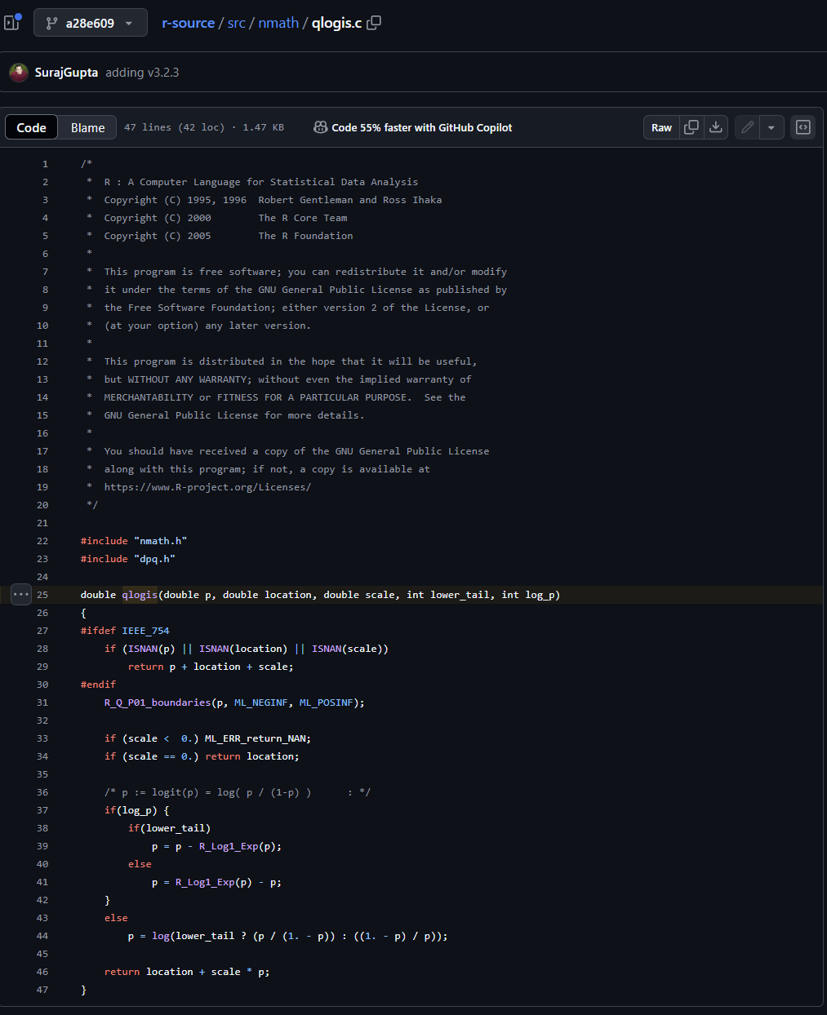
[16,] | 1 | 1000 | 1001.099216 | NaN | NaN |  |  | [16,] | 1 | 1000 | 999.32668761 | Inf | NaN
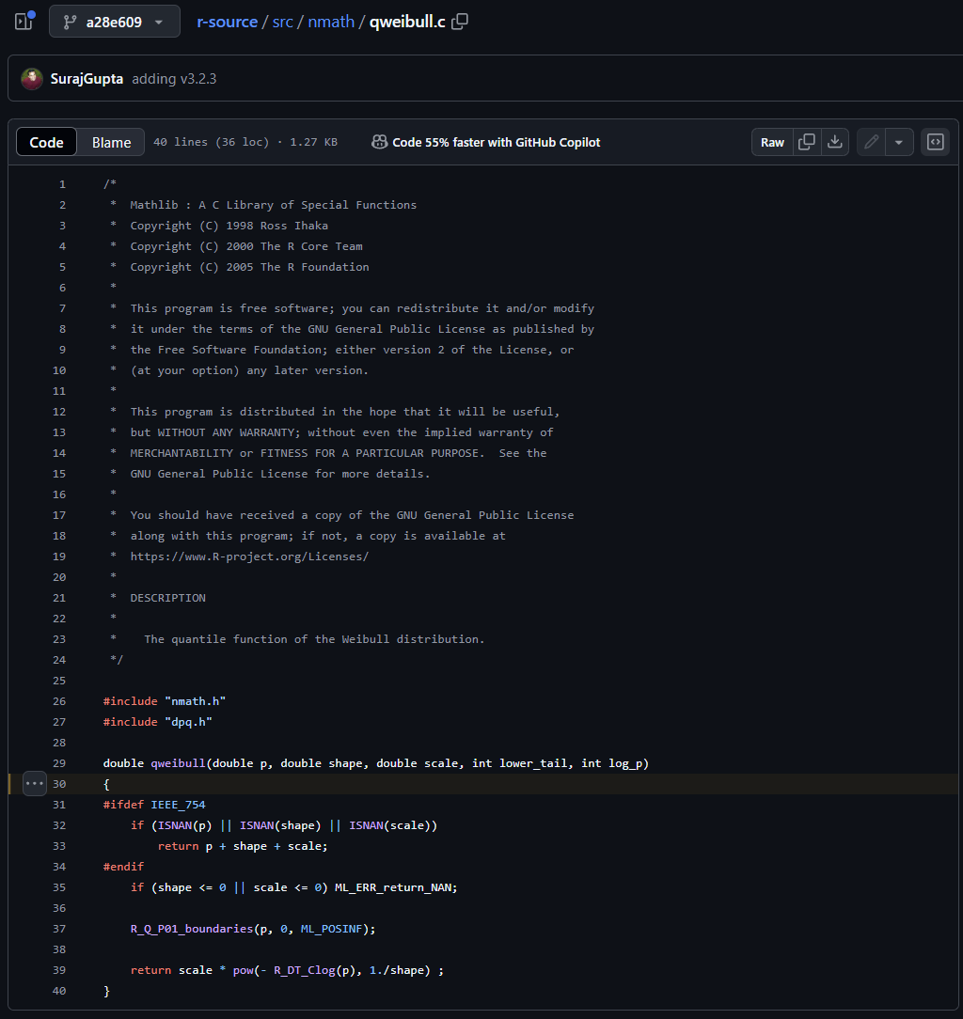
[17,] | 1 | 10000 | 10001.098673 | NaN | NaN |  |  | [17,] | 1 | 10000 | 9999.3266396 | Inf | NaN
[18,] | 1 | 100000 | 100001.09862 | NaN | NaN |  |  | [18,] | 1 | 100000 | 99999.326635 | Inf | NaN
[19,] | 1 | Inf | Inf | 1 | -Inf |  |  | [19,] | 1 | Inf | Inf | 0 | -Inf
[20,] | 2 | 0.001 | Inf | Inf | NaN |  |  | [20,] | 2 | 0.001 | Inf | Inf | NaN
[21,] | 2 | 1 | 3 | 3 | 0 |  |  | [21,] | 2 | 1 | 1.3862943611 | 1.3862943611 | 0
[22,] | 2 | 2 | 3.4641016151 | 3.4641016151 | 0.00E+00 |  |  | [22,] | 2 | 2 | 1.0895270584 | 1.0895270584 | 0.00E+00
[23,] | 2 | 10 | 11.16123174 | 11.16123174 | 1.59E-16 |  |  | [23,] | 2 | 10 | 8.3320273917 | 8.3320273917 | 0.00E+00
[24,] | 2 | 100 | 101.10466919 | 101.10466919 | 1.4055586976E-16 |  |  | [24,] | 2 | 100 | 98.327168291 | 98.327168291 | 0
[25,] | 2 | 1000 | 1001.099216 | NaN | NaN |  |  | [25,] | 2 | 1000 | 998.32668761 | Inf | NaN
[26,] | 2 | 10000 | 10001.098673 | NaN | NaN |  |  | [26,] | 2 | 10000 | 9998.3266396 | Inf | NaN
[27,] | 2 | 100000 | 100001.09862 | NaN | NaN |  |  | [27,] | 2 | 100000 | 99998.326635 | Inf | NaN
[28,] | 2 | Inf | Inf | 1 | -Inf |  |  | [28,] | 2 | Inf | Inf | -1 | Inf
[29,] | 10 | 0.001 | Inf | Inf | NaN |  |  | [29,] | 10 | 0.001 | Inf | Inf | NaN
[30,] | 10 | 1 | 3 | 3 | 0 |  |  | [30,] | 10 | 1 | 1.3862943611 | 1.3862943611 | 0
[31,] | 10 | 2 | 3.4641016151 | 3.4641016151 | 0.00E+00 |  |  | [31,] | 10 | 2 | 0.27351826029 | 0.27351826029 | 0.00E+00
[32,] | 10 | 10 | 11.16123174 | 11.16123174 | 1.59E-16 |  |  | [32,] | 10 | 10 | 0.90868500715 | 0.90868500715 | 1.95E-15
[33,] | 10 | 100 | 101.10466919 | 101.10466919 | 1.4055586976E-16 |  |  | [33,] | 10 | 100 | 90.327168291 | 90.327168291 | 0
[34,] | 10 | 1000 | 1001.099216 | NaN | NaN |  |  | [34,] | 10 | 1000 | 990.32668761 | Inf | NaN
[35,] | 10 | 10000 | 10001.098673 | NaN | NaN |  |  | [35,] | 10 | 10000 | 9990.3266396 | Inf | NaN
[36,] | 10 | 100000 | 100001.09862 | NaN | NaN |  |  | [36,] | 10 | 100000 | 99990.326635 | Inf | NaN
[37,] | 10 | Inf | Inf | 1 | -Inf |  |  | [37,] | 10 | Inf | Inf | -9 | Inf
[38,] | 100 | 0.001 | Inf | Inf | NaN |  |  | [38,] | 100 | 0.001 | Inf | Inf | NaN
[39,] | 100 | 1 | 3 | 3 | 0 |  |  | [39,] | 100 | 1 | 1.3862943611 | 1.3862943611 | 0
[40,] | 100 | 2 | 3.4641016151 | 3.4641016151 | 0.00E+00 |  |  | [40,] | 100 | 2 | 2.77E-02 | 2.77E-02 | 0.00E+00
[41,] | 100 | 10 | 11.16123174 | 11.16123174 | 1.59E-16 |  |  | [41,] | 100 | 10 | 1.39E-09 | 1.39E-09 | 2.05E-05
[42,] | 100 | 100 | 101.10466919 | 101.10466919 | 1.4055586976E-16 |  |  | [42,] | 100 | 100 | 0.87353492836 | 0.87353492836 | 0
[43,] | 100 | 1000 | 1001.099216 | NaN | NaN |  |  | [43,] | 100 | 1000 | 900.32668761 | Inf | NaN
[44,] | 100 | 10000 | 10001.098673 | NaN | NaN |  |  | [44,] | 100 | 10000 | 9900.3266396 | Inf | NaN
[45,] | 100 | 100000 | 100001.09862 | NaN | NaN |  |  | [45,] | 100 | 100000 | 99900.326635 | Inf | NaN
[46,] | 100 | Inf | Inf | 1 | -Inf |  |  | [46,] | 100 | Inf | Inf | -99 | Inf
[47,] | 1000 | 0.001 | Inf | Inf | NaN |  |  | [47,] | 1000 | 0.001 | Inf | Inf | NaN
[48,] | 1000 | 1 | 3 | 3 | 0 |  |  | [48,] | 1000 | 1 | 1.3862943611 | 1.3862943611 | 0
[49,] | 1000 | 2 | 3.4641016151 | 3.4641016151 | 0.00E+00 |  |  | [49,] | 1000 | 2 | 2.77E-03 | 2.77E-03 | 0.00E+00
[50,] | 1000 | 10 | 11.16123174 | 11.16123174 | 1.59E-16 |  |  | [50,] | 1000 | 10 | 2.27E-13 | 3.41E-13 | 3.33E-01
[51,] | 1000 | 100 | 101.10466919 | 101.10466919 | 1.4055586976E-16 |  |  | [51,] | 1000 | 100 | 0 | 1.14E-13 | 1
[52,] | 1000 | 1000 | 1001.099216 | NaN | NaN |  |  | [52,] | 1000 | 1000 | 0.87012002117 | Inf | NaN
[53,] | 1000 | 10000 | 10001.098673 | NaN | NaN |  |  | [53,] | 1000 | 10000 | 9000.3266396 | Inf | NaN
[54,] | 1000 | 100000 | 100001.09862 | NaN | NaN |  |  | [54,] | 1000 | 100000 | 99000.326635 | Inf | NaN
[55,] | 1000 | Inf | Inf | 1 | -Inf |  |  | [55,] | 1000 | Inf | Inf | -999 | Inf
[56,] | 10000 | 0.001 | Inf | Inf | NaN |  |  | [56,] | 10000 | 0.001 | Inf | Inf | NaN
[57,] | 10000 | 1 | 3 | 3 | 0 |  |  | [57,] | 10000 | 1 | 1.3862943611 | 1.3862943611 | 0
[58,] | 10000 | 2 | 3.4641016151 | 3.4641016151 | 0.00E+00 |  |  | [58,] | 10000 | 2 | 2.77E-04 | 2.77E-04 | 0.00E+00
[59,] | 10000 | 10 | 11.16123174 | 11.16123174 | 1.59E-16 |  |  | [59,] | 10000 | 10 | 3.64E-12 | 5.46E-12 | 3.33E-01
[60,] | 10000 | 100 | 101.10466919 | 101.10466919 | 1.4055586976E-16 |  |  | [60,] | 10000 | 100 | 1.82E-12 | Inf | NaN
[61,] | 10000 | 1000 | 1001.099216 | NaN | NaN |  |  | [61,] | 10000 | 1000 | Inf | Inf | NaN
[62,] | 10000 | 10000 | 10001.098673 | NaN | NaN |  |  | [62,] | 10000 | 10000 | 0.86977950982 | Inf | NaN
[63,] | 10000 | 100000 | 100001.09862 | NaN | NaN |  |  | [63,] | 10000 | 100000 | 90000.326635 | Inf | NaN
[64,] | 10000 | Inf | Inf | 1 | -Inf |  |  | [64,] | 10000 | Inf | Inf | -9999 | Inf
[65,] | 100000 | 0.001 | Inf | Inf | NaN |  |  | [65,] | 100000 | 0.001 | Inf | Inf | NaN
[66,] | 100000 | 1 | 3 | 3 | 0 |  |  | [66,] | 100000 | 1 | 1.3862943611 | 1.3862943611 | 0
[67,] | 100000 | 2 | 3.4641016151 | 3.4641016151 | 0.00E+00 |  |  | [67,] | 100000 | 2 | 2.77E-05 | 2.77E-05 | 0.00E+00
[68,] | 100000 | 10 | 11.16123174 | 11.16123174 | 1.59E-16 |  |  | [68,] | 100000 | 10 | 5.82E-11 | 5.82E-11 | 0.00E+00
[69,] | 100000 | 100 | 101.10466919 | 101.10466919 | 1.4055586976E-16 |  |  | [69,] | 100000 | 100 | 1.46E-11 | Inf | NaN
[70,] | 100000 | 1000 | 1001.099216 | NaN | NaN |  |  | [70,] | 100000 | 1000 | Inf | Inf | NaN
[71,] | 100000 | 10000 | 10001.098673 | NaN | NaN |  |  | [71,] | 100000 | 10000 | Inf | Inf | NaN
[72,] | 100000 | 100000 | 100001.09862 | NaN | NaN |  |  | [72,] | 100000 | 100000 | 0.86974546844 | Inf | NaN
[73,] | 100000 | Inf | Inf | 1 | -Inf |  |  | [73,] | 100000 | Inf | Inf | -99999 | Inf
[74,] | Inf | 0.001 | Inf | Inf | NaN |  |  | [74,] | Inf | 0.001 | NaN | NaN | NaN
[75,] | Inf | 1 | 3 | 3 | 0 |  |  | [75,] | Inf | 1 | NaN | NaN | NaN
[76,] | Inf | 2 | 3.4641016151 | 3.4641016151 | 0.00E+00 |  |  | [76,] | Inf | 2 | NaN | NaN | NaN
[77,] | Inf | 10 | 11.16123174 | 11.16123174 | 1.59E-16 |  |  | [77,] | Inf | 10 | NaN | NaN | NaN
[78,] | Inf | 100 | 101.10466919 | 101.10466919 | 1.4055586976E-16 |  |  | [78,] | Inf | 100 | NaN | NaN | NaN
[79,] | Inf | 1000 | 1001.099216 | NaN | NaN |  |  | [79,] | Inf | 1000 | NaN | NaN | NaN
[80,] | Inf | 10000 | 10001.098673 | NaN | NaN |  |  | [80,] | Inf | 10000 | NaN | NaN | NaN
[81,] | Inf | 100000 | 100001.09862 | NaN | NaN |  |  | [81,] | Inf | 100000 | NaN | NaN | NaN
[82,] | Inf | Inf | Inf | 1 | -Inf |  |  | [82,] | Inf | Inf | NaN | -Inf | NaN

Screenshots
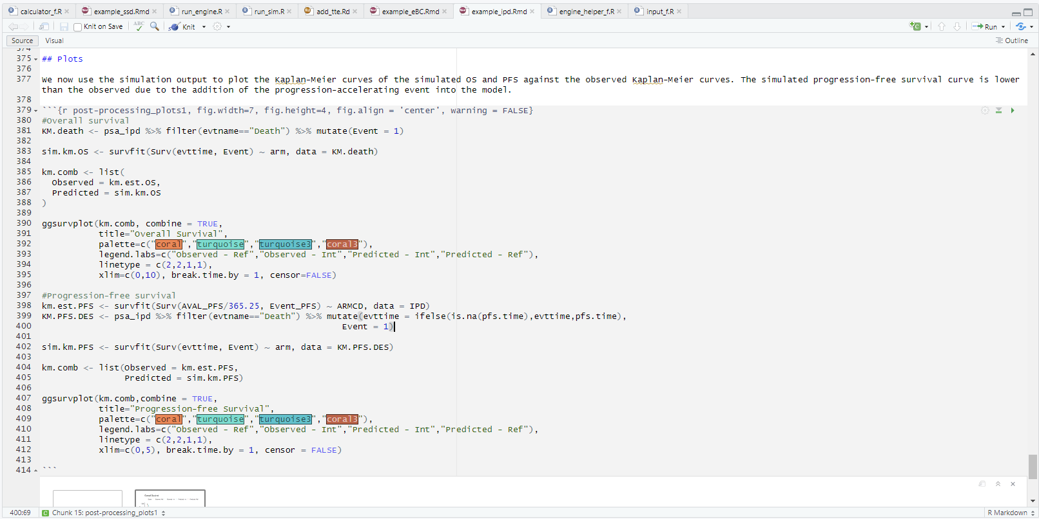

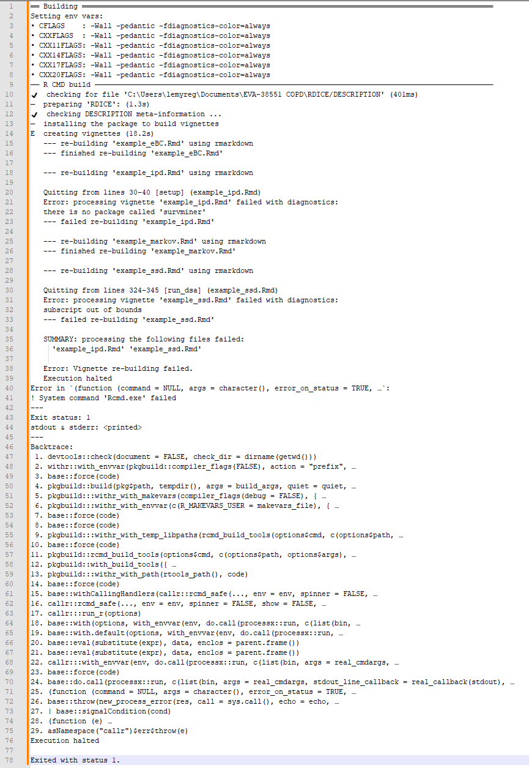

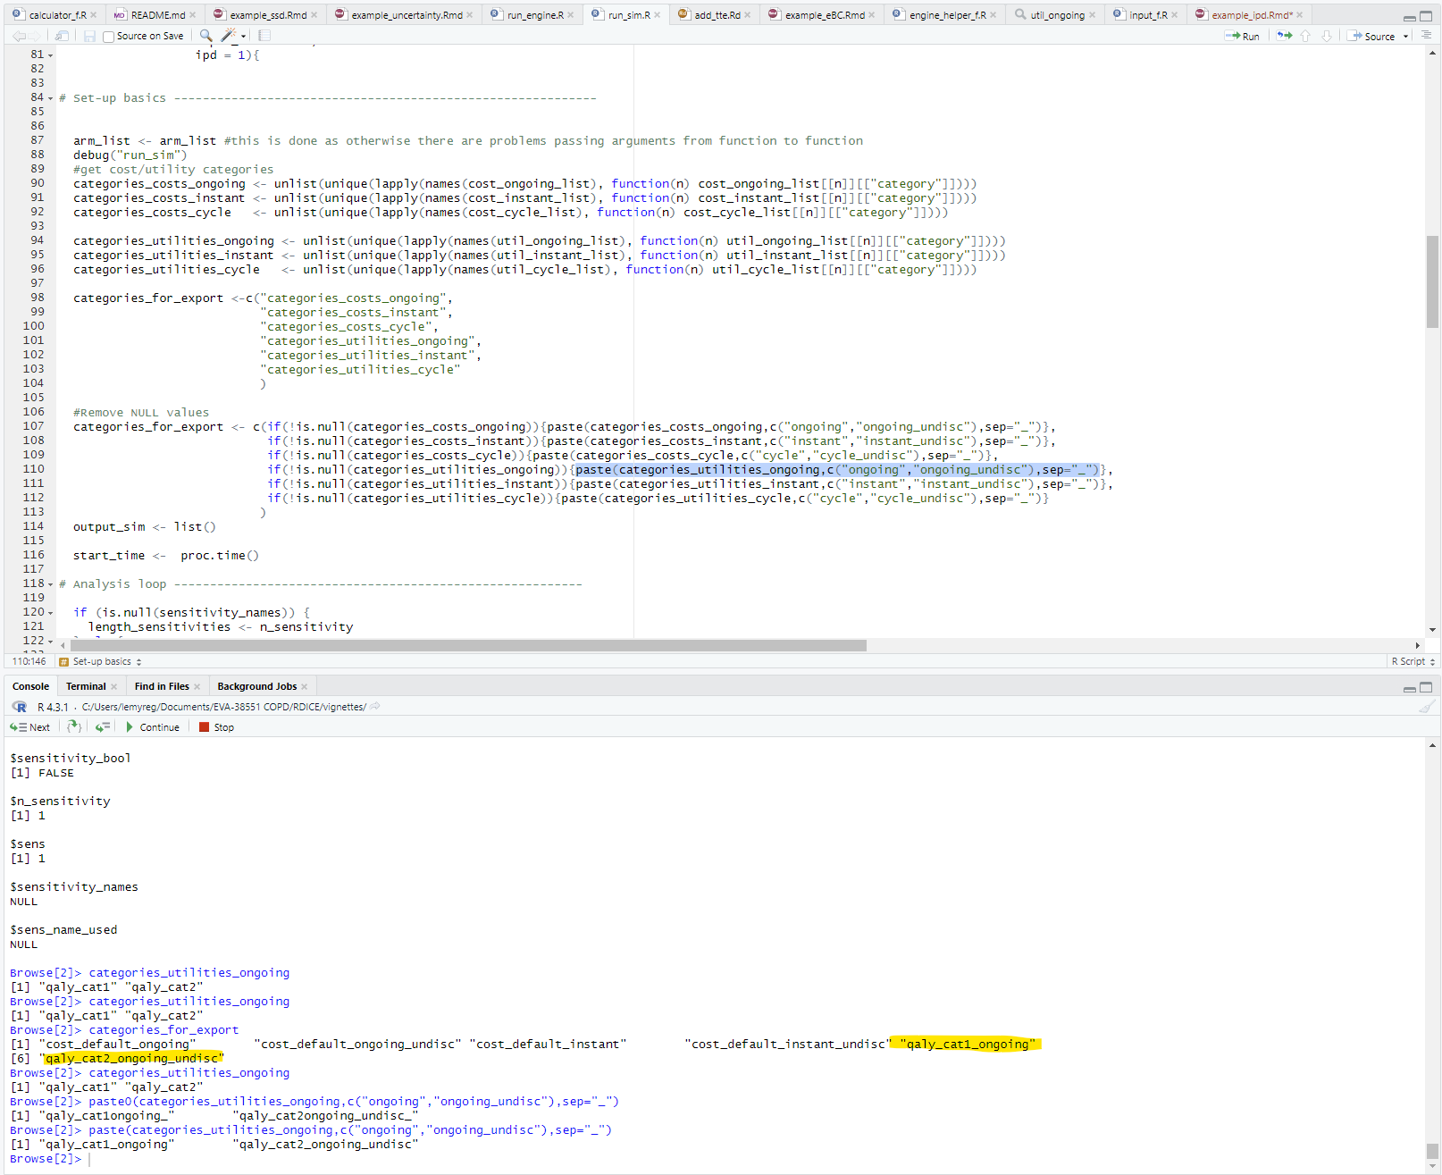

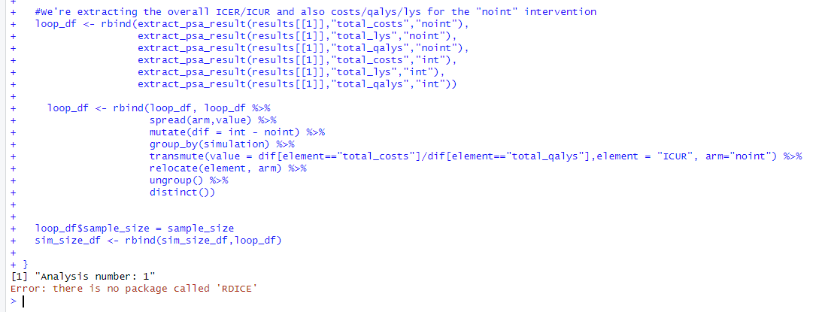

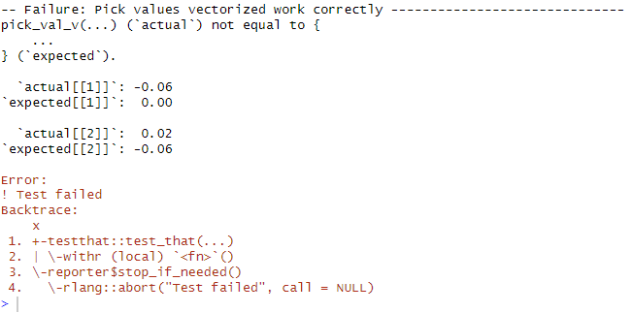

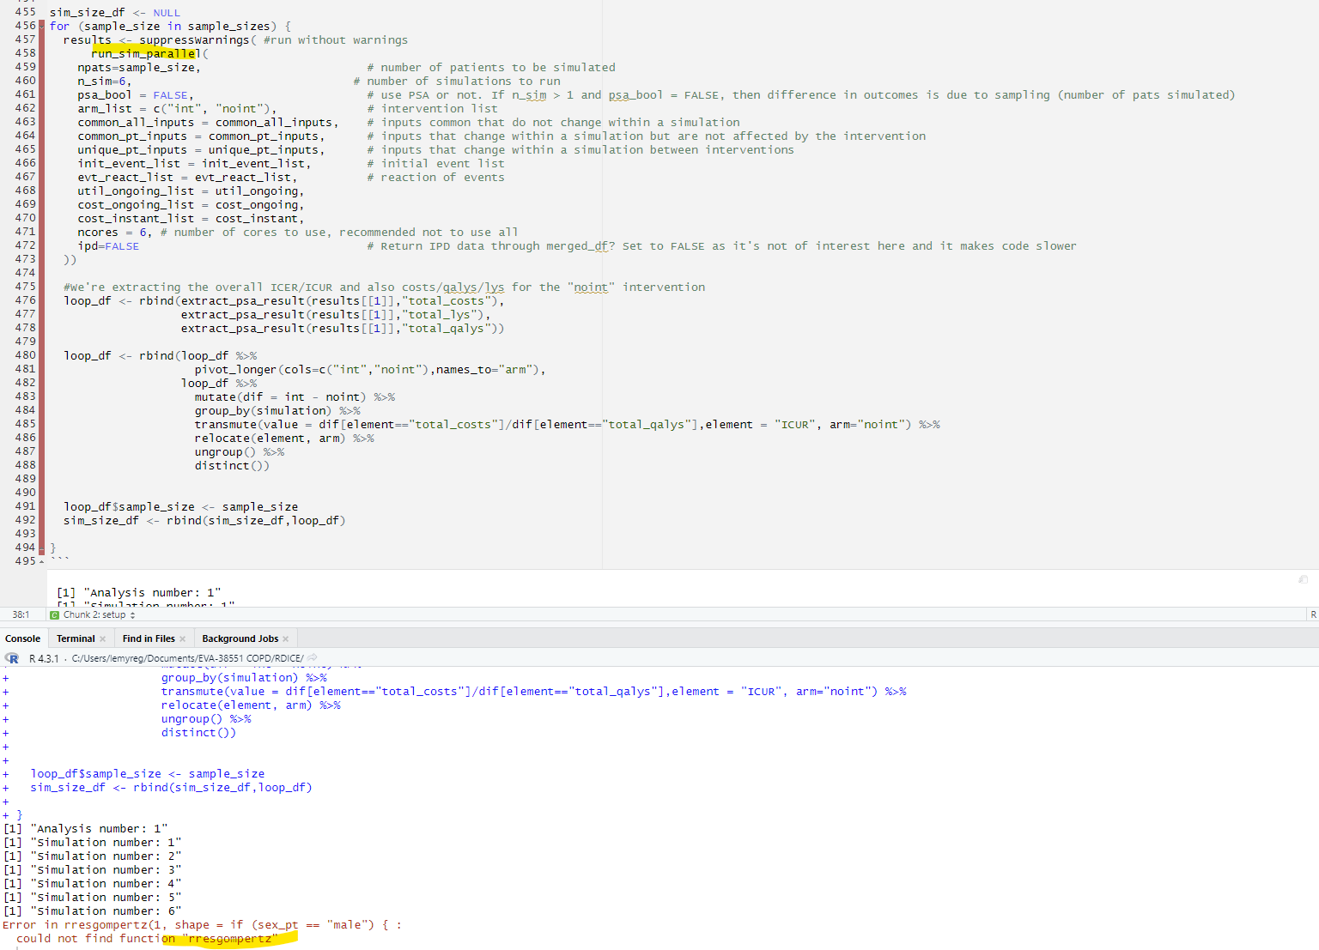

QuestionTables
Add Row (Retain Sheet Name and Question)
Add Row (Retain Sheet Name)
Delete Row

Sheet | Sheet Type | Question | Error Found | Description of Error Found | Cell Reference of Error | Action Taken | Confirmation of Correction | Importance | Flag for Report

Sheet | Sheet Type | Question | Error Found | Description of Error Found | Cell Reference of Error | Action Taken | Confirmation of Correction | Importance | Flag for Report
 |  | GENERAL
 |  | Are all of the navigation buttons aligned when you click across sheets?
 |  | Is there a consistent indenting convention being used?
 |  | Is the cells formatting (color, box outline) consistent by functionality type (input cells vs. calculation cells vs output cells etc.) ?
 |  | Is there consistent use of validation cells vs macro enabled boxes for drop down menus?
 |  | Are all of the cells with a given functionality the same format (color, box outline)?
 |  | Is the text the same font and size?
 |  | Is the format of sources the same?
 |  | Are button sizes the same (size, shape, color, outline)?
 |  | Is the placement of restore defaults consistent?
 |  | Are the use of capitalized letters consistent?
 |  | Color formatting: Use non clashing, colors that align with the drug company brand or the specific product or Evidera
 |  | Are gridlines, headings and end columns and rows hidden?
 |  | Is the column width fixed by cells functionality type (e.g., input cells)?
 |  | Are row heights the same?
 |  | Are sectioned areas similarly laid out? If not, is there a reason why?
 |  | Dropdown menus should include help box
 |  | Does the screen view allow only vertical scrolling and not horizontal?
 |  | Do the hiding and unhiding of columns dynamically change the width of cells to prevent formatting issues?
 |  | FIGURES
 |  | Are currency symbols included with costs and properly used?
 |  | Is there a legend?
 |  | Are figure sizes locked if there is column hiding / unhiding?
 |  | Do figures update with user selection (e.g., analysis for 1 year doesn't show results or empty results for years 2-5?)
 |  | Are the colors and shapes in the figures easily distinguishable?
 |  | Is the scale and size of the figure appropriately showing the data needed for the end user?
 |  | Is the text within figures fully showing within the bounds of that figure or is there text hidden?
 |  | Is the figure dynamic when it needs to be?

Sheet | Sheet Type | Question | Error Found | Description of Error Found | Cell Reference of Error | Action Taken | Confirmation of Correction | Importance | Flag for Report
DetailedCosts |  | Are decimal places correct? Decimal rules: - If the value can only be in non-decimal form, regardless of magnitude, no decimal - If the value can be in decimal form, an absolute value greater than X must have 0 decimals, otherwise 2 decimals. - Only parametric fit statistics may show more than 2 decimals.
DetailedCosts |  | Proper use of percentages vs. decimal
DetailedCosts |  | NAVIGATION BUTTON AND HIDING/UNHIDING
DetailedCosts |  | Does hiding and unhiding adversely affect formatting of other cells?
DetailedCosts |  | Are correct ranges hiding?
DetailedCosts |  | Is the hiding and unhiding, or cell activation run fast enough?
DetailedCosts |  | Does cell labeling update with the selection/cell activation?
DetailedCosts |  | Change the width of columns, insert rows as well as checking the button properties

Sheet | Sheet Type | Question | Error Found | Description of Error Found | Cell Reference of Error | Action Taken | Confirmation of Correction | Importance | Flag for Report
ResultsSummary |  | Do costs have the proper currency symbol?
ResultsSummary |  | Are the costs free of decimal points, where applicable?
ResultsSummary |  | Do the LY and QALYs have up to four decimal points, and no more than that?
ResultsSummary |  | NAVIGATION BUTTON AND HIDING/UNHIDING
ResultsSummary |  | Does hiding and unhiding adversely affect formatting of other cells?
ResultsSummary |  | Are correct ranges hiding?
ResultsSummary |  | Is the hiding and unhiding, or cell activation run fast enough?
ResultsSummary |  | Does cell labeling update with the selection/cell activation?
ResultsSummary |  | Change the width of columns, insert rows as well as checking the button properties

Sheet | Sheet Type | Question | Error Found | Description of Error Found | Cell Reference of Error | Action Taken | Confirmation of Correction | Importance | Flag for Report
PSA |  | Do costs have the proper currency symbol?
PSA |  | Are the costs free of decimal points, where applicable?
PSA |  | Do the LY and QALYs have up to four decimal points, and no more than that?
PSA |  | NAVIGATION BUTTON AND HIDING/UNHIDING
PSA |  | Does hiding and unhiding adversely affect formatting of other cells?
PSA |  | Are correct ranges hiding?
PSA |  | Is the hiding and unhiding, or cell activation run fast enough?
PSA |  | Does cell labeling update with the selection/cell activation?
PSA |  | Change the width of columns, insert rows as well as checking the button properties

Sheet | Sheet Type | Question | Error Found | Description of Error Found | Cell Reference of Error | Action Taken | Confirmation of Correction | Importance | Flag for Report
Overview |  | Are sectioned areas similarly laid out? If not, is there a reason why?
Overview |  | Are either full sentences with periods or bullet points used consistently?
Overview |  | Are all diagrams either high resolution images or created within the model itself?

Sheet | Sheet Type | Question | Error Found | Description of Error Found | Cell Reference of Error | Action Taken | Confirmation of Correction | Importance | Flag for Report
Overview |  | Was a client-specific format (e.g. for legal or regulatory review) provided?
Overview |  | Letter or number coding method for labeling and sourcing
Overview |  | As you move linearly through the input sheets are codes sequential and sources consistent?
Overview |  | Are assumptions coded separately unless the same assumption is used for different inputs?
Overview |  | Are full citations provided in the Source sheet?
Overview |  | Are all citations provided in the [Author last name], [Year] format?
Overview |  | Ensure that if two or more citations have the same [Author last name], [Year], was "(#)" added to the end with the number corresponding to the order
Overview |  | Are all citations on the Source sheet arranged in alphabetical order?
Overview |  | Help box
Overview |  | Is the text box associated with each 'Help box' the size of the text itself?
Overview |  | Is each text box properly formatted, with a distinct color, different than the sheet and input ranges?
Overview |  | Does all text fully and concisely explain what needs extra clarification for the user?
Overview |  | Are full sentences or bullet point type formatting used consistently?
Overview |  | Notes
Overview |  | Are superscript numbers for the notes included in the text?
Overview |  | Are the superscript numbers sequential, and do they match the notes below?
Overview |  | Are full sentences or bullet point type formatting used consistently?
Overview |  | Is the superscript numbering restarted on each sheet?
Overview |  | Figures
Overview |  | Are axes labeled appropriately?
Overview |  | Do costs have a currency attached in the axis labeling?
Overview |  | Are legends presented at the bottom of each figure?
Overview |  | Legend identification must be fully stated; if abbreviations are used, a key should be provided below.
Overview |  | Section titles
Overview |  | Are the names given to each section within a sheet understandable to a naïve user?
Overview |  | Do titles explain what is below effectively and concisely?
Overview |  | Are all items placed under an appropriate section title (e.g., perspective selection should not be listed under "comparator settings")

Sheet | Sheet Type | Question | Error Found | Description of Error Found | Cell Reference of Error | Action Taken | Confirmation of Correction | Importance | Flag for Report
NameManager |  | Identify #REF! or unused range names and clean them up
NameManager |  | Is the naming convention consistent?
NameManager |  | Are sequential named ranges within a sheet named similarly and sequentially or are there differences in the names?
NameManager |  | Do the hide / unhide named ranges have similar naming conventions?

Sheet | Sheet Type | Question | Error Found | Description of Error Found | Cell Reference of Error | Action Taken | Confirmation of Correction | Importance | Flag for Report
ALLVBAs |  | Loops and if statements: Loops, especially nested loops, present one of the easiest sources of error for VBA coding, and one of the most difficult to validate. Formatting and properly commenting loops simplified validation later.
ALLVBAs |  | Are the loops and if statements indented for easy identification of logic?
ALLVBAs |  | Loops and if statements, Nested loops: Nested loops and if statements must clearly state the logic behind the nesting and why the order of the loops was done in that way. Loops and if statements must be clearly commented
ALLVBAs |  | Loops and if statements, Nested loops: Does the if statement and/or loop cover all possibilities of an event being modeled, even rare ones?
ALLVBAs |  | Loops and if statements, Nested loops: Is each logic within the loop or if statement clearly defined, with an explanation of why this is the case?
ALLVBAs |  | General formatting and commenting
ALLVBAs |  | Does each code begin with the author, date written, and modifications to existing code?
ALLVBAs |  | Are there comments explaining the function that is about to occur?
ALLVBAs |  | Are all name string / integer names shown at the very top of the code?
ALLVBAs |  | Is each variable created referencing a value in a worksheet identified in the comments?
ALLVBAs |  | Does each process completed first have a comment explaining what the process does?
ALLVBAs |  | Are there comment sources for coding components (e.g., a website that provides generic pieces of code)?

Sheet | Sheet Type | Question | Error Found | Description of Error Found | Cell Reference of Error | Action Taken | Confirmation of Correction | Importance | Flag for Report
DetailedCosts |  | Are all inputs linked to <Parameters>?
DetailedCosts |  | Are all inputs modifiable only at one place? (They should be)
DetailedCosts |  | If you cannot "Trace Dependents" for an input, is it not used or is it linked via an array/matrix? Review name manager
DetailedCosts |  | Do the inputs only go to a single location (<Parameters>) or multiple? If multiple, wrong or justified.
DetailedCosts |  | Are inputs organized/categorized in the <Parameters> sheet in a straight forward manner? For example, are all cost parameters sequential or are the newest added parameters at the very bottom of the sheet.
DetailedCosts |  | Are all cells indicated as inputs hard coded values or calculated values? Sometimes modelers have inputs color coded as inputs, but are actually calculated values. Cells that are indicated to be input cells should ONLY be for hard coded inputs. If it is a "calculated" input, please use a different color
DetailedCosts |  | Is there echoing? There should be no echoing unless there are specific reasons, such as transpose needed for presentation vs. programming
DetailedCosts |  | Are any of the values brought into <Parameters> transformed in the immediate cell? Values brought into parameters should not be manipulated, transformed or calculated as the DSA/PSA will be difficult to modify as the user interface parameter will be parameterized one way, but parameterized a different way for the DSA or PSA. Also, its likely that any transformation will create an error with the SE you use

Sheet | Sheet Type | Question | Error Found | Description of Error Found | Cell Reference of Error | Action Taken | Confirmation of Correction | Importance | Flag for Report
ParametersStorage |  | Parameters sheet current value to model use
ParametersStorage |  | Are there mappings and transformations done within the cell used for PSA/DSA? If yes, it should be corrected. Mappings and transformations within <Parameters> must be done AFTER PSA/DSA. Any mapping/transformation that is unique to input must be done in a separate model use value cell linked to input. There should be a color coded difference for mapped/transformed model use and those that are not
ParametersStorage |  | Is the programming of any mapping/transformation within <Parameters> correct?
ParametersStorage |  | Are links to PSA and model override correct? Go through each cell, ensure no mistake links
ParametersStorage |  | Are all override cells clear?
ParametersStorage |  | Are model use cells named as ranges or arrays? Do names match their label?
ParametersStorage |  | There should be two type of model use cells to verify, ones that reference PSA and override, and one that only references the override. There should be no unique model use programming, if there is it should be moved to the current value column
ParametersStorage |  | Model use to model engine
ParametersStorage |  | Are the cells that are being used in the model engine referencing the named range in the parameters sheet or the cell location? If cell locations, that should be fixed.
ParametersStorage |  | Are arrays and matrices referenced from model use properly indexed in the model engine?
ParametersStorage |  | Are only inputs that pass through the parameters sheet going to the model engine? If not, is there a reason besides an error? Typically only matrices or arrays that are difficult to put into a single dimension array should be excluded from a parameters sheet.
ParametersStorage |  | Are there any cells in the model use that do not go to the model engine? Verify this by checking dependents. If they don't go anywhere its likely an error in parameterization
ParametersStorage |  | Are model use cells for a specific comparator going to the proper model engine? Make sure there are no errors due to copying/pasting across model engines
ParametersStorage |  | Do the inputs referenced from model use in a given formula aligned with the label and comment of the engine cell? This is to verify that the right calculation is happening. Review the comment and the content of the programming.
ParametersStorage |  | Are there any parameters that are comparator specific unnecessarily? If the model separates out utility values by comparator but they use the same base case value, there's a possibility the DSA/PSA will have differential values (especially the PSA with a different random number) which will create excess variation

Step 9c: Model engine
Sheet | Sheet Type | Question | Error Found | Description of Error Found | Cell Reference of Error | Action Taken | Confirmation of Correction | Importance | Flag for Report
Comp1Engine
Comp1Engine |  | Generic Checks
Comp1Engine |  | Are the model engine cells properly linked to within engine cells and model use named parameters, and not within user input sheet cells or model mean cells?
Comp1Engine |  | Is the model logically set up? It is important for verification by our modelers and external validators to have a model that is easy to follow. If like calculations are scattered throughout an engine, it makes it difficult to follow
Comp1Engine |  | Check all cells with "if logic" in detail. Are the statements properly providing the value based on the condition?
Comp1Engine |  | Are the commas within AND OR statements in the right position? A typical error is not closing an AND or OR condition while in an IF condition.
Comp1Engine |  | In the cells identified for being drag/copy+paste down are the cells using $ properly?
Comp1Engine |  | Are there any Markova leaks? Does the modeler use rounding to hide even tiny ones? All health states (if used) sum to 1 for all rows, no Markova leaks.
Comp1Engine |  | Are Intermediate health states or events are properly timed and calculated? This includes for event in t=2, references states @ t=0
Comp1Engine |  | Is array/matrix multiplication used (will have {} around formula)? These formulas can be tricky and finicky. If they are in the model, extreme value testing should be done to test their ability to not produce errors
Comp1Engine |  | If the model is individual patient simulation, is random number used "=RAND()" or is it reproducible across runs?
Comp1Engine |  | Review calculations of time to event formulas, does the form of the parametric input match the calculation form?
Comp1Engine |  | For individual simulation, is continuous vs instantaneous discounting properly applied?
Comp1Engine |  | Specific Checks
Comp1Engine |  | Is death properly applied across states and events? Are there any states or events, or times where probability of death is programmed to equal 0? If so, is there justification for it (no deaths in trial so set 0 deaths to reproduce trial results for an output)?
Comp1Engine |  | Is discontinuation properly modeled?
Comp1Engine |  | Is cycle length relative to year applied properly for accruals?
Comp1Engine |  | Is half cycle correction applied correctly?
Comp1Engine |  | Are utilities properly applied and QALYs appropriately calculated? (let's say a model has 4 month cycles. Therefore in each cycle a patient accrues 1/3 of a life year. Sometimes modelers forget this and simply multiply the utilities by the number of patients in each health state to calculate QALYs. They should also be multiplying the number of life years in each cycle. )
Comp1Engine |  | Are costs and QALYs properly discounted? Are they referencing the right discount parameter
Comp1Engine |  | Does summation of results properly incorporates time horizon?
Comp1Engine |  | Model engine to outputs
Comp1Engine |  | Are the results that are being output numeric or non-numeric? Non-numeric results will not be able to be placed into figures
Comp1Engine |  | If the results in the <Results> sheet are linked directly through formulas from the model engine output, are all reference formulas correct?
Comp1Engine |  | If the <Results> sheet is populated through a macro, is the macro outputting the correct values? Is the macro error- free?
Comp1Engine |  | Engine Run Macros
Comp1Engine |  | Are the results reproducible when the model is run two different times (e.g., random number seed)
Comp1Engine |  | Does run macro follow proper formatting and naming conventions?
Comp1Engine |  | Does it too often go back and forth between spreadsheet and macro? If so, how is run time
Comp1Engine |  | Is the macro generic model run macro or is it unique? If unique read clearly the code, if it is a generic run model, please look for noted changes and uniqueness
Comp1Engine |  | Does the macro clear old contents of results each time the model is run? This is needed if go from 10,000 reps to 1,000; only the first 1,000 cells are updated
Comp1Engine |  | After the model is run, does it dynamically name the result range?
Comp1Engine |  | Check other macros that use the model run macro, is it properly referenced, should it be run when called?
Comp1Engine |  | Is the model run macro enabled when Results are opened? If not, is there a flag for if inputs change and the model is not re-run
Comp1Engine |  | Does the model run macro have an exit if loop creates error or gets stuck?
Comp1Engine |  | Are there any warnings if settings are incorrect that will create error?

Sheet | Sheet Type | Question | Error Found | Description of Error Found | Cell Reference of Error | Action Taken | Confirmation of Correction | Importance | Flag for Report
ResultsSummary |  | Are results that are linked referencing the correct cells?
ResultsSummary |  | Does the ICER calculation allow for all four quadrants, properly naming/presenting results for each?
ResultsSummary |  | Are the number of digits shown for costs and health outcomes consistent?
ResultsSummary |  | Does the summary results tab reference the detailed results tab or the output/model engine itself? It is likely less error prone for the summary results to reference the detailed results
ResultsSummary |  | If model uses currency symbol within programming, is it properly calculated?
ResultsSummary |  | Are QALYs lower than the Lys?
ResultsSummary |  | Are QALYs and Lys always positive?
ResultsSummary |  | Are average Lys or QALYs lower than the time horizon?
ResultsSummary |  | Are all costs positive?
ResultsSummary |  | Are the events occurring less than number of patients?
ResultsSummary |  | Are undiscounted values lower than the discounted ones?
ResultsSummary |  | Are there no treatment costs assigned to untreated patients?
ResultsSummary |  | Are there no treatment clinical benefits to untreated patients?
ResultsSummary |  | Is the sum of component costs equal to the total cost?
ResultsSummary |  | Do changing of the time horizon result with expected change? (usually lower ICER with longer time horizon)

Sheet | Sheet Type | Question | Error Found | Description of Error Found | Cell Reference of Error | Action Taken | Confirmation of Correction | Importance | Flag for Report
PSA |  | PSA
PSA |  | Is the selection of probability distribution and the calculation of the confidence intervals used for each parameter correct in <Parameters> ? if not typical, note and ask why
PSA |  | Is the distribution sampling behaving correctly? (, e.g., generally costs for resources should not be negative so make sure the sampling can never return a negative number)
PSA |  | Are all needed parameters in PSA included? Any in there that shouldn’t be?
PSA |  | Do parameters that are correlated and come from the same analysis utilize covariance matrices?
PSA |  | Is the programming of the Cholesky decomposition correct?
PSA |  | If Offset is used, is it implemented correctly?
PSA |  | Is there a switch or function which changes the model from deterministic to probabilistic then back to deterministic?
PSA |  | Are analysis results pasted in the correct tables?
PSA |  | Is the calculation for net benefit and calculation for the cost-effectiveness acceptability curve correct?
PSA |  | Does the PSA macro run correctly without errors?
PSA |  | DSA
PSA |  | Does the DSA only vary one parameter at a time? It should, if not is there a reason why
PSA |  | Is the looping within the DSA macro properly coded and usage of the override cells correct?
PSA |  | Within the DSA macro, are the right inputs replaced and then restored?
PSA |  | Within the DSA macro, are analysis results pasted in the correct tables?
PSA |  | Within the DSA macro, if Offset is used, is it implemented correctly?
PSA |  | If there is a tornado diagram, is it sorting properly?
PSA |  | Does the macro run without errors?
PSA |  | Scenario Runner
PSA |  | Are scenarios run through the scenario saver or a unique macro and worksheet? If former, review inputs match description. If latter, see below
PSA |  | Is the looping within the "Scenario runner" macro properly coded and usage of the override cells correct? This macro will likely be specific to the project, so read carefully
PSA |  | Within the "Scenario runner", are the right inputs replaced and then restored?
PSA |  | Within the "Scenario runner", are the analysis results pasted in the correct tables?
PSA |  | Within the "Scenario runner", if Offset is used, is it implemented correctly?
PSA |  | If there is a tornado diagram, is it sorting properly?
PSA |  | Does the macro run without errors?

Sheet | Sheet Type | Question | Error Found | Description of Error Found | Cell Reference of Error | Action Taken | Confirmation of Correction | Importance | Flag for Report
ALLVBAs |  | Are all variables named at the beginning of the macro?
ALLVBAs |  | Does the macro reference any specific cells (bad) or all references to the spreadsheet range names?
ALLVBAs |  | Do macros run or are errors created?
ALLVBAs |  | Are macros assigned or referenced in at least one location or are they unnecessary?
ALLVBAs |  | Check the logic of the macro, does it complete the intended task?
ALLVBAs |  | Are generic macros modified at all? Do they still work?
ALLVBAs |  | Are any of the macros run by sheet activation? Is that correct?

 |  | 5
 |  | 5
 |  | 6
 |  | 6
 |  | 8
 |  | 9
 |  | 2
 |  | 2
 |  | 2
 |  | 2
 |  | 1
 |  | 1

